Welcome
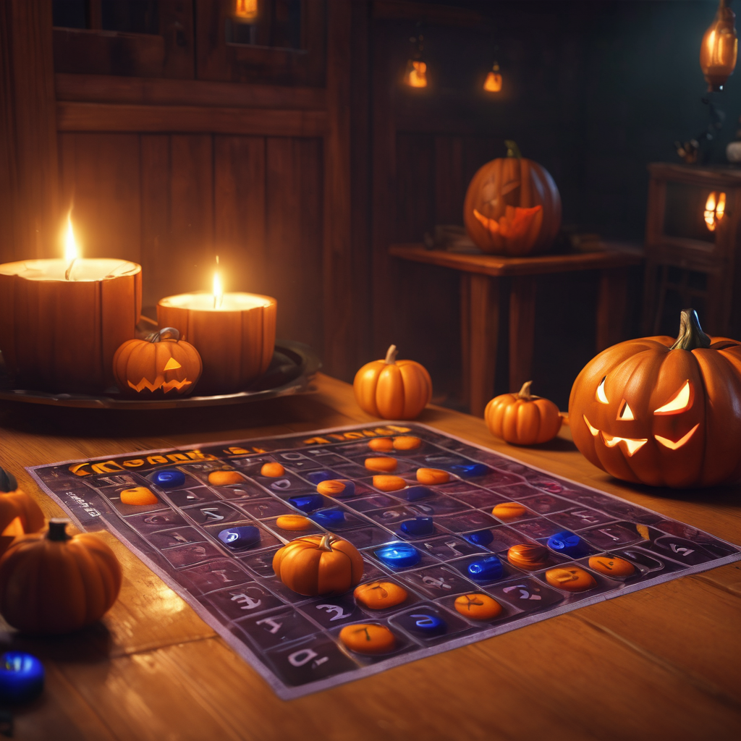

Welcome to DEEPAVALI Party
in Halloween style BINGO bonaza !

Welcome to the dazzling world of "Bingo bonaza" !
get ready to experience the thrill, excitement, and endless fun of this classic game with a stylish twist. So buckle up and let's dive into the worlds of numbers, luck, and big wins! Remember, in "Bingo bonaza" every number could be your ticket to victory. let the games begin !

Bingo Machine
9
 |  |  |  |  | Draw Numbers
 | Serial Number | Current Draw |  | Previous Draw # |  |  |  |  |  |  |  |  |  |  | BINGO Bonaza!
 | 5 | 57 |  | 1 | 1 | 2 | 3 | 4 | 5 | 6 | 7 | 8 | 9 | 10
3

 |  |  |  |  | 11 | 12 | 13 | 14 | 15 | 16 | 17 | 18 | 19 | 20
 | Are You Ready for BINGO challenge? |  | Yes |  | 21 | 22 | 23 | 24 | 25 | 26 | 27 | 28 | 29 | 30
RUN DRAW
8
5
 |  |  |  |  | 31 | 32 | 33 | 34 | 35 | 36 | 37 | 38 | 39 | 40
 | Game Rules |  |  |  | 41 | 42 | 43 | 44 | 45 | 46 | 47 | 48 | 49 | 50
1) Don't change your given BINGO card numbers, all the BINGO card numbers are saved so before announcing the winner we will cross check their card number. 2) There will be 30 winning slots available, so everybody can try for n number of winning slots. 3) Once you get to know you have completed any of the winning slot you can send the screenshot of your marked bingo card to Organisor. 4) There will be 5 winners in each slot so you can send your result untill 5 slots are confirmed after verifying their result. 5) Finally, enjoy the game without any cheating.. Happy BINGO......... |  |  |  |  | 51 | 52 | 53 | 54 | 55 | 56 | 57 | 58 | 59 | 60
 |  |  |  |  | 61 | 62 | 63 | 64 | 65 | 66 | 67 | 68 | 69 | 70
 |  |  |  |  | 71 | 72 | 73 | 74 | 75 | 76 | 77 | 78 | 79 | 80
 |  |  |  |  | 81 | 82 | 83 | 84 | 85 | 86 | 87 | 88 | 89 | 90
 |  |  |  |  | 91 | 92 | 93 | 94 | 95 | 96 | 97 | 98 | 99 | 100

